Appendix
A Framework for Automated Driving System Testable Cases and Scenarios

https://www.nhtsa.gov/sites/nhtsa.dot.gov/files/documents/13882-automateddrivingsystems_092618_v1a_tag.pdf

• L4 Highly Automated Vehicle/Transportation Network Company (TNC)
• L4 Highly Automated Highway Drive
• L4 Highly Automated Low Speed Shuttle
• L4 Highly Automated Valet Parking
• L4 Highly Automated Emergency Takeover
• L3 Conditional Automated Highway Drive
• L3 Conditional Automated Traffic Jam Drive
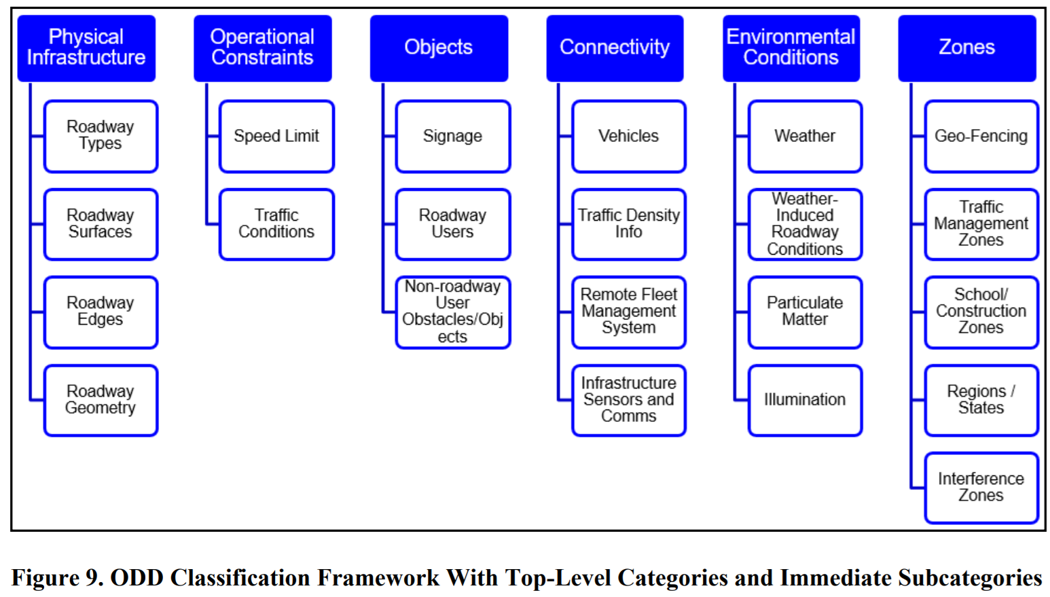

Physical Infrastructure | Roadway Types | Divided highway | Operational Constraints | Speed Limit | Minimum and maximum speed limit [absolute] | Objects | Signage | Signs (e.g., stop, yield, pedestrian, railroad, school zone, etc.), | Environmental Conditions | Weather | Wind, | Connectivity | Vehicles | V2V communications (e.g., DSRC, Wi-Fi), | Zones | Geo-fencing | Central business districts
 |  | undivided highway |  |  | Minimum and maximum speed limit [relative to speed limit] |  |  | traffic signals (flashing, school zone, fire department zone, etc.), |  |  | rain |  |  | Emergency vehicles |  |  | School campuses
 |  | arterial |  |  | Minimum and maximum speed limit [relative to surrounding traffic] |  |  | Crosswalks |  |  | snow |  | Traffic Density Information | Crowdsourced data (e.g., Waze) |  |  | Retirement communities (for example, CityMobil2 is fixed route and includes < 20 mph (CityMobil2, 2013) routes both onroad and off-road on pedestrian walkways).
 |  | urban |  | Traffic Conditions | Minimal traffic |  |  | Railroad crossing |  |  | sleet |  |  | V2I |  | Traffic Management Zones | May include temporary lane closures
 |  | rural |  |  | normal traffic |  |  | Stopped buses |  |  | temperature |  | Remote Fleet Management System | A vehicle may be supported by an operations center that can perform remote operation. |  |  | Dynamic traffic signs
 |  | parking |  |  | bumper-to-bumper/rush-hour traffic |  |  | Construction signage |  |  | On freeways, light rain or snow can reduce average speed by 3 to 13 percent. Heavy rain can decrease average speed by 3 to 16 percent. In heavy snow, average freeway speeds can decline by 5 to 40 percent. Free-flow speed can be reduced by 2 to 13 percent in light rain and by 6 to 17 percent in heavy rain. Snow can cause free-flow speed to decrease by 5 to 64 percent. Speed variance can fall by 25 percent during rain |  | Infrastructure Sensors and communications | Work zone alerts |  |  | Variable speed limits
 |  | multi-lane |  |  | altered [accident] |  |  | First responder signals |  | Weather-induced Roadway Conditions | Standing water, flooded roadways, icy roads, snow on road |  |  | Vulnerable road user |  |  | Temporary or non-existent lane markings
 |  | single lane |  |  | altered [emergency vehicle] |  |  | Distress signals |  |  | Capacity reductions can be caused by lane submersion due to flooding and by lane obstruction due to snow accumulation and wind-blown debris. Road closures and access restrictions due to hazardous conditions (e.g., large trucks in high winds) also decrease roadway capacity |  |  | Routing and incident management |  |  | Human-directed traffic
 |  | high-occupancy vehicle (HOV) lane |  |  | altered [construction] |  |  | Roadway user signals |  | Particulate Matter | Fog |  |  | GPS |  |  | loading/unloading zones
 |  | on/off ramps |  |  | altered [closed road] |  |  | Hand signals |  |  | Smoke |  |  | 3-D high-definition maps (Ellichipuram 2016) |  | School/Construction Zones | Dynamic speed limit
 |  | emergency evacuation routes |  |  | altered [special event] |  | Roadway User | Vehicle types (cars, light trucks, large trucks, buses, motorcycles, wide-load, emergency vehicles, construction equipment, horse-drawn carriages/buggies), |  |  | Smog |  |  | Pothole locations |  |  | Erratic pedestrian and vehicular behaviors
 |  | one-way |  |  |  |  |  | stopped vehicles, |  |  | Dust/dirt |  |  | Weather data |  | Regions/States | Any legal
 |  | turn-only lanes |  |  |  |  |  | Moving vehicles (manual, autonomous) |  |  | Mud |  |  | Data on the cloud |  |  | Regulatory
 |  | private roads |  |  |  |  |  | Pedestrians |  |  | Low visibility can cause speed reductions of 10 to 12 percent. Visibility distance is reduced by fog and heavy precipitation, as well as wind-blown snow, dust, and smoke. Low-visibility conditions cause increased speed variance, which increases crash risk. Each year, over 38,700 vehicle crashes occur in fog. Over 600 people are killed, and more than 16,300 people are injured in these crashes annually |  |  |  |  |  | Enforcement
 |  | reversible lanes |  |  |  |  |  | Cyclists |  | Illumination | Day sun overhead |  |  |  |  |  | Tort
 |  | intersections (signaled |  |  |  |  | Non-roadway User Obstacles/Objects | Animals (e.g., dogs, deer, etc.) |  |  | Day sun back-lighting |  |  |  |  |  | other considerations (e.g., following distance, licensing, etc.)
 |  | Uturns |  |  |  |  |  | Shopping carts |  |  | Day sun front-lighting |  |  |  |  | Interference Zones | Tunnels
 |  | 4-way/2-way stop |  |  |  |  |  | Debris (e.g., pieces of tire, trash, ladders) |  |  | Dawn |  |  |  |  |  | Parking garages
 |  | roundabout |  |  |  |  |  | Construction equipment |  |  | Dusk |  |  |  |  |  | Dense foliage
 |  | merge lanes |  |  |  |  |  | Pedestrians, cyclists |  |  | Night |  |  |  |  |  | Limited GPS due to tall buildings
 |  | turn-only lanes |  |  |  |  |  |  |  |  | Street lights |  |  |  |  |  | Aatmospheric conditions
 |  | crosswalk |  |  |  |  |  |  |  |  | Headlights (regular and high-beam)
 |  | toll plaza |  |  |  |  |  |  |  |  | Oncoming vehicle lights (overhead lighting
 |  | railroad crossing) |  |  |  |  |  |  |  |  | Backlighting
 | Roadway Surfaces | Asphalt |  |  |  |  |  |  |  |  | Front-lighting
 |  | concrete
 |  | mixed
 |  | grating
 |  | brick
 |  | dirt
 |  | gravel
 |  | scraped road
 |  | partially occluded
 |  | speed bumps
 |  | potholes
 |  | grass
 | Roadway Edges | Line markers
 |  | temporary line markers
 |  | shoulder (paved or gravel)
 |  | shoulder (grass)
 |  | concrete barriers
 |  | grating
 |  | rails
 |  | curb
 |  | cones
 | Roadway Geometry | Straightaways
 |  | curves
 |  | hills
 |  | lateral crests
 |  | corners [regular]
 |  | corners [blind corners]
 |  | negative obstacles
 |  | lane width

